Responsive Testing
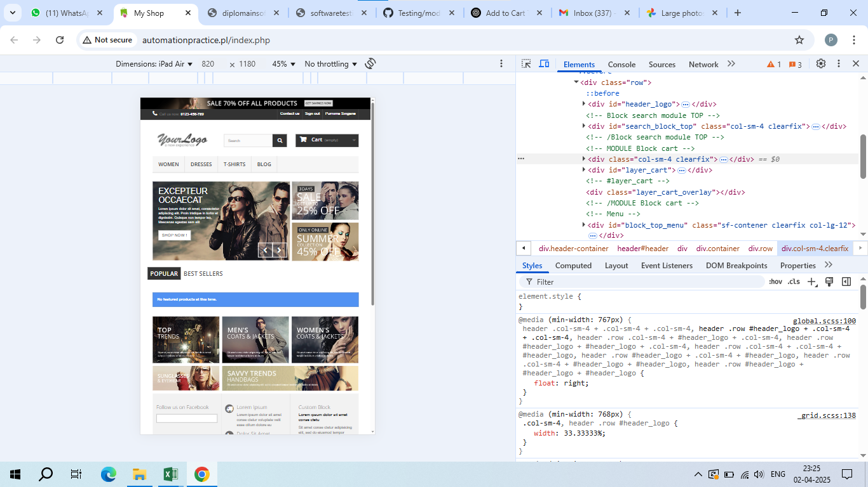
Responsive Testing

 | ASUS ZENBOOK FOLD



 | GALAXY NOTE 3

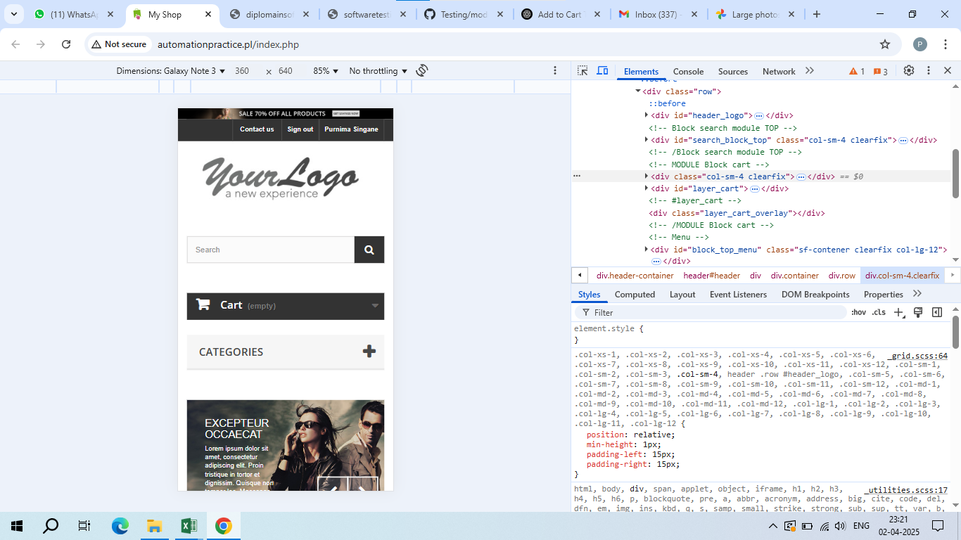

 | IPAD AIR

